Pivot1
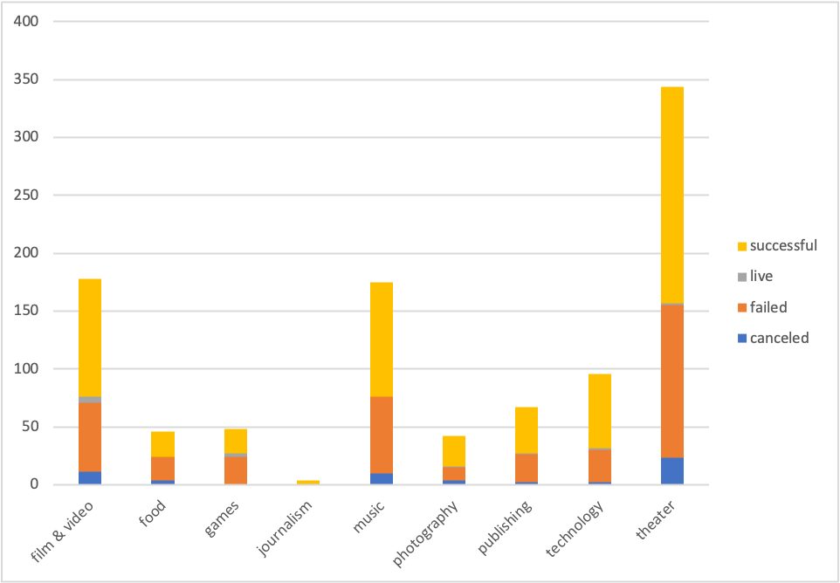
country | (All)
 | canceled | failed | live | successful
film & video | 11 | 60 | 5 | 102
food | 4 | 20 |  | 22
games | 1 | 23 | 3 | 21
journalism |  |  |  | 4
music | 10 | 66 |  | 99
photography | 4 | 11 | 1 | 26
publishing | 2 | 24 | 1 | 40
technology | 2 | 28 | 2 | 64
theater | 23 | 132 | 2 | 187
Count of Outcomes | Column Labels
Row Labels | canceled | failed | live | successful | Grand Total
film & video | 11 | 60 | 5 | 102 | 178
food | 4 | 20 |  | 22 | 46
games | 1 | 23 | 3 | 21 | 48
journalism |  |  |  | 4 | 4
music | 10 | 66 |  | 99 | 175
photography | 4 | 11 | 1 | 26 | 42
publishing | 2 | 24 | 1 | 40 | 67
technology | 2 | 28 | 2 | 64 | 96
theater | 23 | 132 | 2 | 187 | 344
Grand Total | 57 | 364 | 14 | 565 | 1000

Pivot2
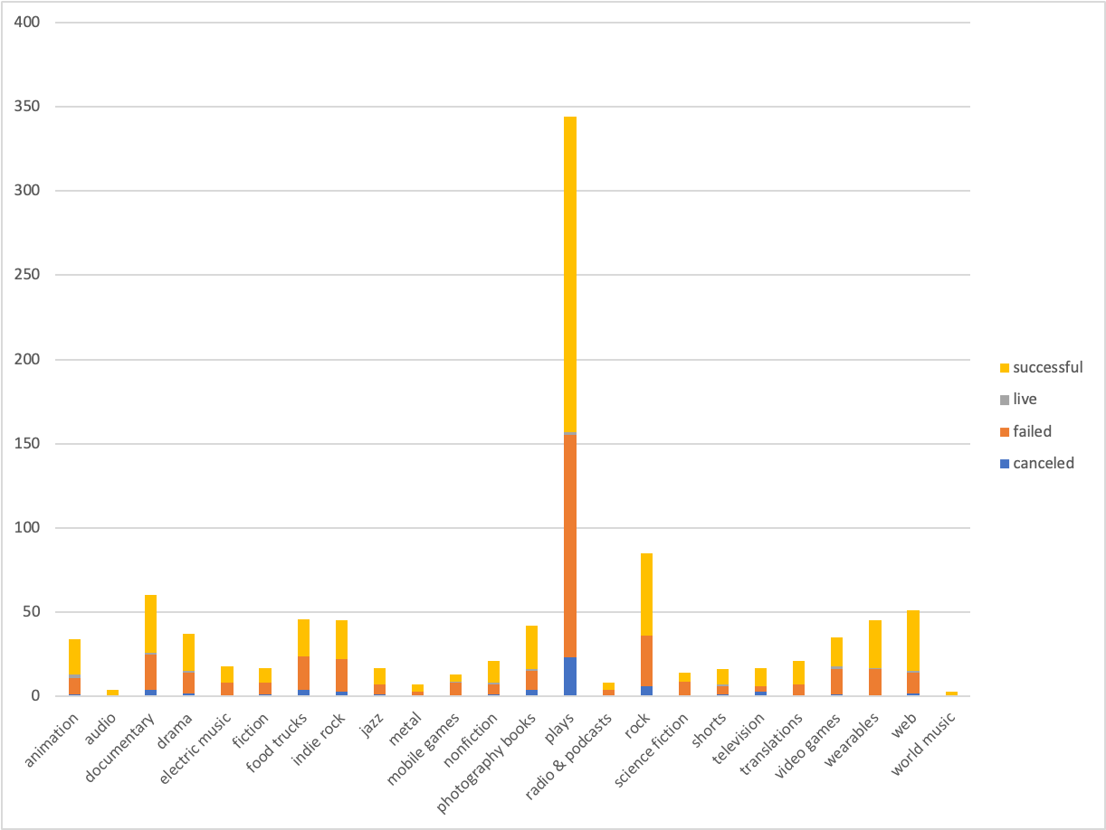
country | (All)
Parent Category | (All)

 | canceled | failed | live | successful
animation | 1 | 10 | 2 | 21
audio |  |  |  | 4
documentary | 4 | 21 | 1 | 34
drama | 2 | 12 | 1 | 22
electric music |  | 8 |  | 10
fiction | 1 | 7 |  | 9
food trucks | 4 | 20 |  | 22
indie rock | 3 | 19 |  | 23
jazz | 1 | 6 |  | 10
metal |  | 3 |  | 4
mobile games |  | 8 | 1 | 4
nonfiction | 1 | 6 | 1 | 13
photography books | 4 | 11 | 1 | 26
plays | 23 | 132 | 2 | 187
radio & podcasts |  | 4 |  | 4
rock | 6 | 30 |  | 49
science fiction |  | 9 |  | 5
shorts | 1 | 5 | 1 | 9
television | 3 | 3 |  | 11
translations |  | 7 |  | 14
video games | 1 | 15 | 2 | 17
wearables |  | 16 | 1 | 28
web | 2 | 12 | 1 | 36
world music |  |  |  | 3
Count of Parent Category | Column Labels
Row Labels | canceled | failed | live | successful | Grand Total
animation | 1 | 10 | 2 | 21 | 34
audio |  |  |  | 4 | 4
documentary | 4 | 21 | 1 | 34 | 60
drama | 2 | 12 | 1 | 22 | 37
electric music |  | 8 |  | 10 | 18
fiction | 1 | 7 |  | 9 | 17
food trucks | 4 | 20 |  | 22 | 46
indie rock | 3 | 19 |  | 23 | 45
jazz | 1 | 6 |  | 10 | 17
metal |  | 3 |  | 4 | 7
mobile games |  | 8 | 1 | 4 | 13
nonfiction | 1 | 6 | 1 | 13 | 21
photography books | 4 | 11 | 1 | 26 | 42
plays | 23 | 132 | 2 | 187 | 344
radio & podcasts |  | 4 |  | 4 | 8
rock | 6 | 30 |  | 49 | 85
science fiction |  | 9 |  | 5 | 14
shorts | 1 | 5 | 1 | 9 | 16
television | 3 | 3 |  | 11 | 17
translations |  | 7 |  | 14 | 21
video games | 1 | 15 | 2 | 17 | 35
wearables |  | 16 | 1 | 28 | 45
web | 2 | 12 | 1 | 36 | 51
world music |  |  |  | 3 | 3
Grand Total | 57 | 364 | 14 | 565 | 1000

Pivot3
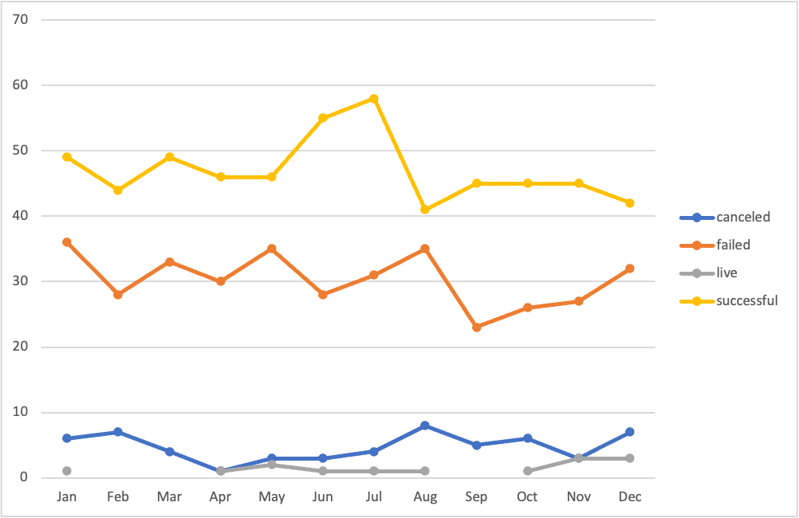
Parent Category | (All)
Years | (All)

 | canceled | failed | live | successful
Jan | 6 | 36 | 1 | 49
Feb | 7 | 28 |  | 44
Mar | 4 | 33 |  | 49
Apr | 1 | 30 | 1 | 46
May | 3 | 35 | 2 | 46
Jun | 3 | 28 | 1 | 55
Jul | 4 | 31 | 1 | 58
Aug | 8 | 35 | 1 | 41
Sep | 5 | 23 |  | 45
Oct | 6 | 26 | 1 | 45
Nov | 3 | 27 | 3 | 45
Dec | 7 | 32 | 3 | 42
Count of Outcomes | Column Labels
Row Labels | canceled | failed | live | successful | Grand Total
Jan | 6 | 36 | 1 | 49 | 92
Feb | 7 | 28 |  | 44 | 79
Mar | 4 | 33 |  | 49 | 86
Apr | 1 | 30 | 1 | 46 | 78
May | 3 | 35 | 2 | 46 | 86
Jun | 3 | 28 | 1 | 55 | 87
Jul | 4 | 31 | 1 | 58 | 94
Aug | 8 | 35 | 1 | 41 | 85
Sep | 5 | 23 |  | 45 | 73
Oct | 6 | 26 | 1 | 45 | 78
Nov | 3 | 27 | 3 | 45 | 78
Dec | 7 | 32 | 3 | 42 | 84
Grand Total | 57 | 364 | 14 | 565 | 1000

Crowdfunding Goal Analysis
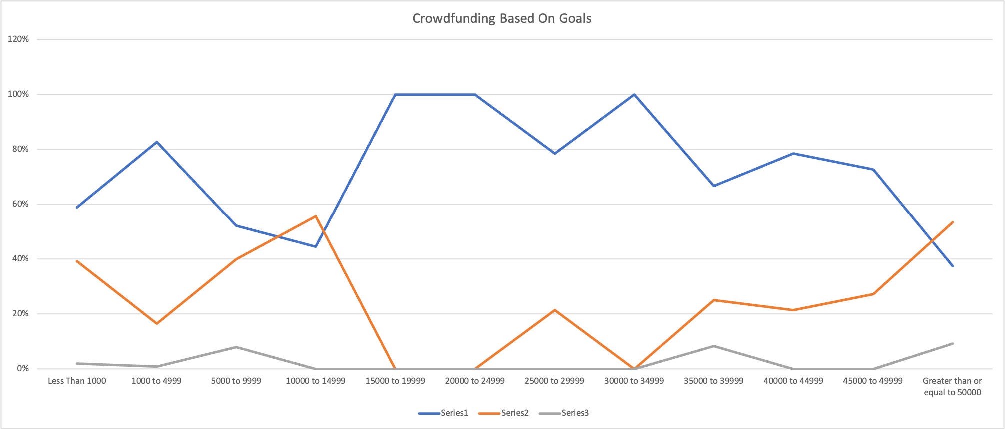
Goals | Number Successful | Number Failed | Number Canceled | Total Projects | Percentage Successful | Percentage Failed | Percentage Canceled
Less Than 1000 | 30 | 20 | 1 | 51 | 59% | 39% | 2%
1000 to 4999 | 191 | 38 | 2 | 231 | 83% | 16% | 1%
5000 to 9999 | 164 | 126 | 25 | 315 | 52% | 40% | 8%
10000 to 14999 | 4 | 5 | 0 | 9 | 44% | 56% | 0%
15000 to 19999 | 10 | 0 | 0 | 10 | 100% | 0% | 0%
20000 to 24999 | 7 | 0 | 0 | 7 | 100% | 0% | 0%
25000 to 29999 | 11 | 3 | 0 | 14 | 79% | 21% | 0%
30000 to 34999 | 7 | 0 | 0 | 7 | 100% | 0% | 0%
35000 to 39999 | 8 | 3 | 1 | 12 | 67% | 25% | 8%
40000 to 44999 | 11 | 3 | 0 | 14 | 79% | 21% | 0%
45000 to 49999 | 8 | 3 | 0 | 11 | 73% | 27% | 0%
Greater than or equal to 50000 | 114 | 163 | 28 | 305 | 37% | 53% | 9%

Crowdfunding Based On Goals

Statistical Analysis
 |  |  |  | Successful Outcomes
outcome | backers_count | outcome | backers_count | Mean | 851.15
successful | 158 | failed | 0 | Median | 201
successful | 1425 | failed | 24 | Minimum | 16
successful | 174 | failed | 53 | Maximum | 7295
successful | 227 | failed | 18 | Variance | 1606216.59
successful | 220 | failed | 44 | Std Deviation | 1267.37
successful | 98 | failed | 27
successful | 100 | failed | 55
successful | 1249 | failed | 200 | Failed Outcomes
successful | 1396 | failed | 452 | Mean | 585.62
successful | 890 | failed | 674 | Median | 114.5
successful | 142 | failed | 558 | Minimum | 0
successful | 2673 | failed | 15 | Maximum | 6080
successful | 163 | failed | 2307 | Variance | 924113.45
successful | 2220 | failed | 88 | Std Deviation | 961.31
successful | 1606 | failed | 48
Successful
successful | 129 | failed | 1
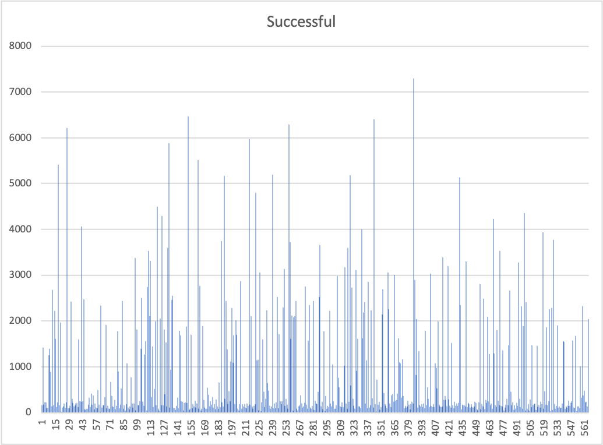
successful | 226 | failed | 1467
successful | 5419 | failed | 75
successful | 165 | failed | 120
successful | 1965 | failed | 2253
successful | 16 | failed | 5
successful | 107 | failed | 38
successful | 134 | failed | 12
successful | 198 | failed | 1684
successful | 111 | failed | 56
successful | 222 | failed | 838
successful | 6212 | failed | 1000
successful | 98 | failed | 1482
successful | 92 | failed | 106
successful | 149 | failed | 679
successful | 2431 | failed | 1220
successful | 303 | failed | 1
successful | 209 | failed | 37
successful | 131 | failed | 60
successful | 164 | failed | 296
successful | 201 | failed | 3304
Failed
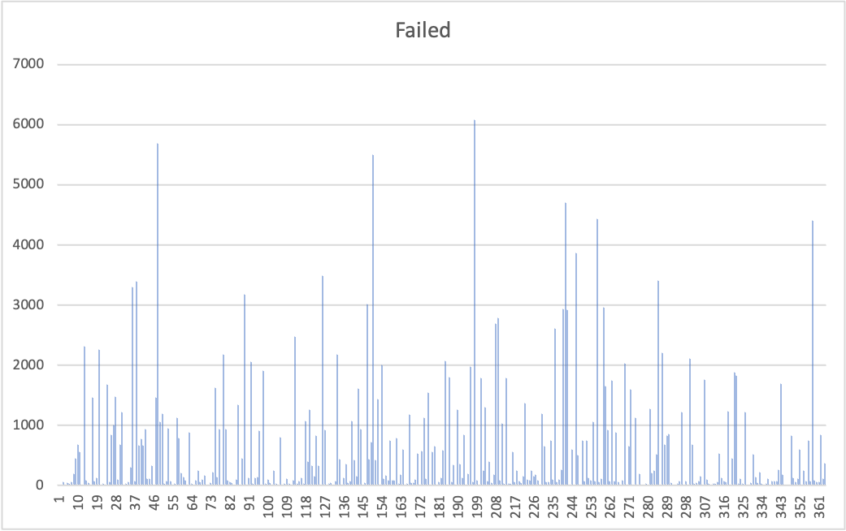
successful | 211 | failed | 73
successful | 128 | failed | 3387
successful | 1600 | failed | 662
successful | 249 | failed | 774
successful | 236 | failed | 672
successful | 4065 | failed | 940
successful | 246 | failed | 117
successful | 2475 | failed | 115
successful | 76 | failed | 326
successful | 54 | failed | 1
successful | 88 | failed | 1467
successful | 85 | failed | 5681
successful | 170 | failed | 1059
successful | 330 | failed | 1194
successful | 127 | failed | 30
successful | 411 | failed | 75
successful | 180 | failed | 955
successful | 374 | failed | 67
successful | 71 | failed | 5
successful | 203 | failed | 26
successful | 113 | failed | 1130
successful | 96 | failed | 782
successful | 498 | failed | 210
successful | 180 | failed | 136
successful | 27 | failed | 86
successful | 2331 | failed | 19
successful | 113 | failed | 886
successful | 164 | failed | 35
successful | 164 | failed | 24
successful | 336 | failed | 86
successful | 1917 | failed | 243
successful | 95 | failed | 65
successful | 147 | failed | 100
successful | 86 | failed | 168
successful | 83 | failed | 13
successful | 676 | failed | 1
successful | 361 | failed | 40
successful | 131 | failed | 226
successful | 126 | failed | 1625
successful | 275 | failed | 143
successful | 67 | failed | 934
successful | 154 | failed | 17
successful | 1782 | failed | 2179
successful | 903 | failed | 931
successful | 94 | failed | 92
successful | 180 | failed | 57
successful | 533 | failed | 41
successful | 2443 | failed | 1
successful | 89 | failed | 101
successful | 159 | failed | 1335
successful | 50 | failed | 15
successful | 186 | failed | 454
successful | 1071 | failed | 3182
successful | 117 | failed | 15
successful | 70 | failed | 133
successful | 135 | failed | 2062
successful | 768 | failed | 29
successful | 199 | failed | 132
successful | 107 | failed | 137
successful | 195 | failed | 908
successful | 3376 | failed | 10
successful | 41 | failed | 1910
successful | 1821 | failed | 38
successful | 164 | failed | 104
successful | 157 | failed | 49
successful | 246 | failed | 1
successful | 1396 | failed | 245
successful | 2506 | failed | 32
successful | 244 | failed | 7
successful | 146 | failed | 803
successful | 1267 | failed | 16
successful | 1561 | failed | 31
successful | 48 | failed | 108
successful | 2739 | failed | 30
successful | 3537 | failed | 17
successful | 2107 | failed | 80
successful | 3318 | failed | 2468
successful | 340 | failed | 26
successful | 1442 | failed | 73
successful | 126 | failed | 128
successful | 524 | failed | 33
successful | 1989 | failed | 1072
successful | 157 | failed | 393
successful | 4498 | failed | 1257
successful | 80 | failed | 328
successful | 43 | failed | 147
successful | 2053 | failed | 830
successful | 168 | failed | 331
successful | 4289 | failed | 25
successful | 165 | failed | 3483
successful | 1815 | failed | 923
successful | 397 | failed | 1
successful | 1539 | failed | 33
successful | 138 | failed | 40
successful | 3594 | failed | 23
successful | 5880 | failed | 75
successful | 112 | failed | 2176
successful | 943 | failed | 441
successful | 2468 | failed | 25
successful | 2551 | failed | 127
successful | 101 | failed | 355
successful | 92 | failed | 44
successful | 62 | failed | 67
successful | 149 | failed | 1068
successful | 329 | failed | 424
successful | 97 | failed | 151
successful | 1784 | failed | 1608
successful | 1684 | failed | 941
successful | 250 | failed | 1
successful | 238 | failed | 40
successful | 53 | failed | 3015
successful | 214 | failed | 435
successful | 222 | failed | 714
successful | 1884 | failed | 5497
successful | 218 | failed | 418
successful | 6465 | failed | 1439
successful | 59 | failed | 15
successful | 88 | failed | 1999
successful | 1697 | failed | 118
successful | 92 | failed | 162
successful | 186 | failed | 83
successful | 138 | failed | 747
successful | 261 | failed | 84
successful | 107 | failed | 91
successful | 199 | failed | 792
successful | 5512 | failed | 32
successful | 86 | failed | 186
successful | 2768 | failed | 605
successful | 48 | failed | 1
successful | 87 | failed | 31
successful | 1894 | failed | 1181
successful | 282 | failed | 39
successful | 116 | failed | 46
successful | 83 | failed | 105
successful | 91 | failed | 535
successful | 546 | failed | 16
successful | 393 | failed | 575
successful | 133 | failed | 1120
successful | 254 | failed | 113
successful | 176 | failed | 1538
successful | 337 | failed | 9
successful | 107 | failed | 554
successful | 183 | failed | 648
successful | 72 | failed | 21
successful | 295 | failed | 54
successful | 142 | failed | 120
successful | 85 | failed | 579
successful | 659 | failed | 2072
successful | 121 | failed | 0
successful | 3742 | failed | 1796
successful | 223 | failed | 62
successful | 133 | failed | 347
successful | 5168 | failed | 19
successful | 307 | failed | 1258
successful | 2441 | failed | 362
successful | 1385 | failed | 133
successful | 190 | failed | 846
successful | 470 | failed | 10
successful | 253 | failed | 191
successful | 1113 | failed | 1979
successful | 2283 | failed | 63
successful | 1095 | failed | 6080
successful | 1690 | failed | 80
successful | 191 | failed | 9
successful | 2013 | failed | 1784
successful | 1703 | failed | 243
successful | 80 | failed | 1296
successful | 41 | failed | 77
successful | 187 | failed | 395
successful | 2875 | failed | 49
successful | 88 | failed | 180
successful | 191 | failed | 2690
successful | 139 | failed | 2779
successful | 186 | failed | 92
successful | 112 | failed | 1028
successful | 101 | failed | 26
successful | 206 | failed | 1790
successful | 154 | failed | 37
successful | 5966 | failed | 35
successful | 169 | failed | 558
successful | 2106 | failed | 64
successful | 131 | failed | 245
successful | 84 | failed | 71
successful | 155 | failed | 42
successful | 189 | failed | 156
successful | 4799 | failed | 1368
successful | 1137 | failed | 102
successful | 1152 | failed | 86
successful | 50 | failed | 253
successful | 3059 | failed | 157
successful | 34 | failed | 183
successful | 220 | failed | 82
successful | 1604 | failed | 1
successful | 454 | failed | 1198
successful | 123 | failed | 648
successful | 299 | failed | 64
successful | 2237 | failed | 62
successful | 645 | failed | 750
successful | 484 | failed | 105
successful | 154 | failed | 2604
successful | 82 | failed | 65
successful | 134 | failed | 94
successful | 5203 | failed | 257
successful | 94 | failed | 2928
successful | 205 | failed | 4697
successful | 92 | failed | 2915
successful | 219 | failed | 18
successful | 2526 | failed | 602
successful | 94 | failed | 1
successful | 1713 | failed | 3868
successful | 249 | failed | 504
successful | 192 | failed | 14
successful | 247 | failed | 750
successful | 2293 | failed | 77
successful | 3131 | failed | 752
successful | 143 | failed | 131
successful | 296 | failed | 87
successful | 170 | failed | 1063
successful | 86 | failed | 76
successful | 6286 | failed | 4428
successful | 3727 | failed | 58
successful | 1605 | failed | 111
successful | 2120 | failed | 2955
successful | 50 | failed | 1657
successful | 2080 | failed | 926
successful | 2105 | failed | 77
successful | 2436 | failed | 1748
successful | 80 | failed | 79
successful | 42 | failed | 889
successful | 139 | failed | 56
successful | 159 | failed | 1
successful | 381 | failed | 83
successful | 194 | failed | 2025
successful | 106 | failed | 14
successful | 142 | failed | 656
successful | 211 | failed | 1596
successful | 2756 | failed | 10
successful | 173 | failed | 1121
successful | 87 | failed | 15
successful | 1572 | failed | 191
successful | 2346 | failed | 16
successful | 115 | failed | 17
successful | 85 | failed | 34
successful | 144 | failed | 1
successful | 2443 | failed | 1274
successful | 64 | failed | 210
successful | 268 | failed | 248
successful | 195 | failed | 513
successful | 186 | failed | 3410
successful | 460 | failed | 10
successful | 2528 | failed | 2201
successful | 3657 | failed | 676
successful | 131 | failed | 831
successful | 239 | failed | 859
successful | 78 | failed | 45
successful | 1773 | failed | 6
successful | 32 | failed | 7
successful | 369 | failed | 31
successful | 89 | failed | 78
successful | 147 | failed | 1225
successful | 126 | failed | 1
successful | 2218 | failed | 67
successful | 202 | failed | 19
successful | 140 | failed | 2108
successful | 1052 | failed | 679
successful | 247 | failed | 36
successful | 84 | failed | 47
successful | 88 | failed | 70
successful | 156 | failed | 154
successful | 2985 | failed | 22
successful | 762 | failed | 1758
successful | 554 | failed | 94
successful | 135 | failed | 33
successful | 122 | failed | 1
successful | 221 | failed | 31
successful | 126 | failed | 35
successful | 1022 | failed | 63
successful | 3177 | failed | 526
successful | 198 | failed | 121
successful | 85 | failed | 67
successful | 3596 | failed | 57
successful | 244 | failed | 1229
successful | 5180 | failed | 12
successful | 589 | failed | 452
successful | 2725 | failed | 1886
successful | 300 | failed | 1825
successful | 144 | failed | 31
successful | 87 | failed | 107
successful | 3116 | failed | 27
successful | 909 | failed | 1221
successful | 1613 | failed | 1
successful | 136 | failed | 16
successful | 130 | failed | 41
successful | 102 | failed | 523
successful | 4006 | failed | 141
successful | 1629 | failed | 52
successful | 2188 | failed | 225
successful | 2409 | failed | 38
successful | 194 | failed | 15
successful | 1140 | failed | 37
successful | 102 | failed | 112
successful | 2857 | failed | 21
successful | 107 | failed | 67
successful | 160 | failed | 78
successful | 2230 | failed | 67
successful | 316 | failed | 263
successful | 117 | failed | 1691
successful | 6406 | failed | 181
successful | 192 | failed | 13
successful | 26 | failed | 1
successful | 723 | failed | 21
successful | 170 | failed | 830
successful | 238 | failed | 130
successful | 55 | failed | 55
successful | 128 | failed | 114
successful | 2144 | failed | 594
successful | 2693 | failed | 24
successful | 432 | failed | 252
successful | 189 | failed | 67
successful | 154 | failed | 742
successful | 96 | failed | 75
successful | 3063 | failed | 4405
successful | 2266 | failed | 92
successful | 194 | failed | 64
successful | 129 | failed | 64
successful | 375 | failed | 842
successful | 409 | failed | 112
successful | 234 | failed | 374
successful | 3016
successful | 264
successful | 272
successful | 419
successful | 1621
successful | 1101
successful | 1073
successful | 331
successful | 1170
successful | 363
successful | 103
successful | 147
successful | 110
successful | 134
successful | 269
successful | 175
successful | 69
successful | 190
successful | 237
successful | 196
successful | 7295
successful | 2893
successful | 820
successful | 2038
successful | 116
successful | 1345
successful | 168
successful | 137
successful | 186
successful | 125
successful | 202
successful | 103
successful | 1785
successful | 157
successful | 555
successful | 297
successful | 123
successful | 3036
successful | 144
successful | 121
successful | 181
successful | 122
successful | 1071
successful | 980
successful | 536
successful | 1991
successful | 180
successful | 130
successful | 122
successful | 140
successful | 3388
successful | 280
successful | 366
successful | 270
successful | 137
successful | 3205
successful | 288
successful | 148
successful | 114
successful | 1518
successful | 166
successful | 100
successful | 235
successful | 148
successful | 198
successful | 150
successful | 216
successful | 5139
successful | 2353
successful | 78
successful | 174
successful | 164
successful | 161
successful | 138
successful | 3308
successful | 127
successful | 207
successful | 181
successful | 110
successful | 185
successful | 121
successful | 106
successful | 142
successful | 233
successful | 218
successful | 76
successful | 43
successful | 221
successful | 2805
successful | 68
successful | 183
successful | 133
successful | 2489
successful | 69
successful | 279
successful | 210
successful | 2100
successful | 252
successful | 1280
successful | 157
successful | 194
successful | 82
successful | 4233
successful | 1297
successful | 165
successful | 119
successful | 1797
successful | 261
successful | 157
successful | 3533
successful | 155
successful | 132
successful | 1354
successful | 48
successful | 110
successful | 172
successful | 307
successful | 160
successful | 1467
successful | 2662
successful | 452
successful | 158
successful | 225
successful | 65
successful | 163
successful | 85
successful | 217
successful | 150
successful | 3272
successful | 300
successful | 126
successful | 2320
successful | 81
successful | 1887
successful | 4358
successful | 53
successful | 2414
successful | 80
successful | 193
successful | 52
successful | 290
successful | 122
successful | 1470
successful | 165
successful | 182
successful | 199
successful | 56
successful | 1460
successful | 123
successful | 159
successful | 110
successful | 236
successful | 191
successful | 3934
successful | 80
successful | 462
successful | 179
successful | 1866
successful | 156
successful | 255
successful | 2261
successful | 40
successful | 2289
successful | 65
successful | 3777
successful | 184
successful | 85
successful | 144
successful | 1902
successful | 105
successful | 132
successful | 96
successful | 114
successful | 203
successful | 1559
successful | 1548
successful | 80
successful | 131
successful | 112
successful | 155
successful | 266
successful | 155
successful | 207
successful | 245
successful | 1573
successful | 114
successful | 93
successful | 1681
successful | 32
successful | 135
successful | 140
successful | 92
successful | 1015
successful | 323
successful | 2326
successful | 381
successful | 480
successful | 226
successful | 241
successful | 132
successful | 2043

